P control
Signals
Refeence: r(k) | 1
Control error: e(k) | r(k)-y(k-1)
Control input: u(k) | kP*e(k) + u0
Process output: y(k) | a*y(k-1) + u(k)

Constants
a | 0.5 | System
y(0) | 10 | Initial value
kP | 1.2 | Controller
u0 | 0 | Forced input

Process
k | r(k) | e(k) | u(k) | y(k)
0 | 1 | 0 | 0 | 10
1 | 1 | -9 | -10.8 | -5.8
2 | 1 | 6.8 | 8.16 | 5.26
3 | 1 | -4.26 | -5.112 | -2.482
4 | 1 | 3.482 | 4.1784 | 2.9374
5 | 1 | -1.9374 | -2.32488 | -0.85618
6 | 1 | 1.85618 | 2.227416 | 1.799326
7 | 1 | -0.799326 | -0.9591912 | -0.0595282
8 | 1 | 1.0595282 | 1.27143384 | 1.24166974
9 | 1 | -0.24166974 | -0.290003688 | 0.330831182
10 | 1 | 0.669168818 | 0.8030025816 | 0.9684181726
11 | 1 | 0.0315818274 | 0.03789819288 | 0.52210727918
12 | 1 | 0.47789272082 | 0.57347126498 | 0.83452490457
13 | 1 | 0.16547509543 | 0.19857011451 | 0.6158325668
14 | 1 | 0.3841674332 | 0.46100091984 | 0.76891720324
15 | 1 | 0.23108279676 | 0.27729935611 | 0.66175795773
16 | 1 | 0.33824204227 | 0.40589045072 | 0.73676942959
17 | 1 | 0.26323057041 | 0.31587668449 | 0.68426139929
18 | 1 | 0.31573860071 | 0.37888632085 | 0.7210170205
19 | 1 | 0.2789829795 | 0.3347795754 | 0.69528808565
20 | 1 | 0.30471191435 | 0.36565429722 | 0.71329834004

P control + filter
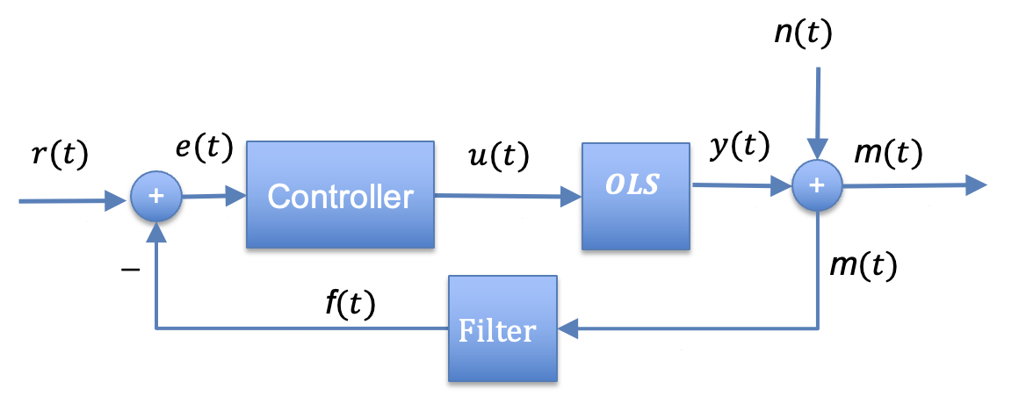
Signals
Refeence: r(k) | 5
Control error: e(k) | r(k)-m(k-1)
Control input: u(k) | kP*e(k) + u0
Process output: y(k) | a*y(k-1) + u(k)
Noise: n(k) | kN*sin(k)
Filter: f(t) | kF*m(k) + (1- kF)* f(t)

Constants
a | 0.5 | System
y(0) | 10 | Initial value
kP | 1.2 | Controller
u0 | 0 | Forced input
kN | 0 | Noise
kF | 1 | Filter

Process
k | r(k) | e(k) | u(k) | y(k) | n(k) | m(k) | f(k)
0 | 5 | 0 | 0 | 10 | 0 | 10 | 10
1 | 5 | -5 | -6 | -1 | 0 | -1 | -1
2 | 5 | 6 | 7.2 | 6.7 | 0 | 6.7 | 6.7
3 | 5 | -1.7 | -2.04 | 1.31 | 0 | 1.31 | 1.31
4 | 5 | 3.69 | 4.428 | 5.083 | 0 | 5.083 | 5.083
5 | 5 | -0.083 | -0.0996 | 2.4419 | 0 | 2.4419 | 2.4419
6 | 5 | 2.5581 | 3.06972 | 4.29067 | 0 | 4.29067 | 4.29067
7 | 5 | 0.70933 | 0.851196 | 2.996531 | 0 | 2.996531 | 2.996531
8 | 5 | 2.003469 | 2.4041628 | 3.9024283 | 0 | 3.9024283 | 3.9024283
9 | 5 | 1.0975717 | 1.31708604 | 3.26830019 | 0 | 3.26830019 | 3.26830019
10 | 5 | 1.73169981 | 2.078039772 | 3.712189867 | 0 | 3.712189867 | 3.712189867
11 | 5 | 1.287810133 | 1.5453721596 | 3.4014670931 | 0 | 3.4014670931 | 3.4014670931
12 | 5 | 1.5985329069 | 1.9182394883 | 3.6189730348 | 0 | 3.6189730348 | 3.6189730348
13 | 5 | 1.3810269652 | 1.6572323582 | 3.4667188756 | 0 | 3.4667188756 | 3.4667188756
14 | 5 | 1.5332811244 | 1.8399373493 | 3.5732967871 | 0 | 3.5732967871 | 3.5732967871
15 | 5 | 1.4267032129 | 1.7120438555 | 3.4986922491 | 0 | 3.4986922491 | 3.4986922491
16 | 5 | 1.5013077509 | 1.8015693011 | 3.5509154257 | 0 | 3.5509154257 | 3.5509154257
17 | 5 | 1.4490845743 | 1.7389014892 | 3.514359202 | 0 | 3.514359202 | 3.514359202
18 | 5 | 1.485640798 | 1.7827689576 | 3.5399485586 | 0 | 3.5399485586 | 3.5399485586
19 | 5 | 1.4600514414 | 1.7520617297 | 3.522036009 | 0 | 3.522036009 | 3.522036009
20 | 5 | 1.477963991 | 1.7735567892 | 3.5345747937 | 0 | 3.5345747937 | 3.5345747937

PI control
Signals
Refeence: r(k) | 5
Control error: e(k) | r(k)-y(k-1)
sum_e | sum_e(k-1) + e(k)
Control input: u(k) | kP*e(k) + kI*sum_e(k) + u0
Process output: y(k) | a*y(k-1) + u(k)

 | r(k) | y(k)
0 |  | 0
1 |  | 5
2 |  | 5
3 |  | 5
4 |  | 5
5 |  | 5
6 |  | 5
7 |  | 5
8 |  | 5
9 |  | 5
10 |  | 5
11 |  | 5
12 |  | 5
13 |  | 5
14 |  | 5
15 |  | 5
16 |  | 5
17 |  | 5
18 |  | 5
19 |  | 5
20 |  | 5
 |  | 5
Constants
a | 0.5 | System
y(0) | 10 | Initial value
kP | 1.4 | P control
kI | 0 | I control
u0 | 0 | Forced input

Process
k | r(k) | e(k) | sum_e(k) | u(k) | y(k)
0 | 5 | 0 | 0 | 0 | 10
1 | 5 | -5 | -5 | -7 | -2
2 | 5 | 7 | 2 | 9.8 | 8.8
3 | 5 | -3.8 | -1.8 | -5.32 | -0.92
4 | 5 | 5.92 | 4.12 | 8.288 | 7.828
5 | 5 | -2.828 | 1.292 | -3.9592 | -0.0452
6 | 5 | 5.0452 | 6.3372 | 7.06328 | 7.04068
7 | 5 | -2.04068 | 4.29652 | -2.856952 | 0.663388
8 | 5 | 4.336612 | 8.633132 | 6.0712568 | 6.4029508
9 | 5 | -1.4029508 | 7.2301812 | -1.96413112 | 1.23734428
10 | 5 | 3.76265572 | 10.99283692 | 5.267718008 | 5.886390148
11 | 5 | -0.886390148 | 10.106446772 | -1.2409462072 | 1.7022488668
12 | 5 | 3.2977511332 | 13.404197905 | 4.6168515865 | 5.4679760199
13 | 5 | -0.46797601988 | 12.936221885 | -0.65516642783 | 2.0788215821
14 | 5 | 2.9211784179 | 15.857400303 | 4.089649785 | 5.1290605761
15 | 5 | -0.1290605761 | 15.728339727 | -0.18068480654 | 2.3838454815
16 | 5 | 2.6161545185 | 18.344494246 | 3.6626163259 | 4.8545390666
17 | 5 | 0.14546093336 | 18.489955179 | 0.2036453067 | 2.63091484
18 | 5 | 2.36908516 | 20.859040339 | 3.316719224 | 4.632176644
19 | 5 | 0.36782335602 | 21.226863695 | 0.51495269843 | 2.8310410204
20 | 5 | 2.1689589796 | 23.395822675 | 3.0365425714 | 4.4520630816

PID control
Signals
Refeence: r(k) | 5
Control error: e(k) | r(k)-y(k-1)
sum_e | sum_e(k-1) + e(k)
diff_e | e(k) - e(k-1)
Control input: u(k) | kP*e(k) + kI*sum_e(k) + kD*diff_e(k + u0
Process output: y(k) | a*y(k-1) + u(k)

Constants
a | 0.5 | System
y(0) | 10 | Initial value
kP | 0.2 | P control
kI | 0 | I control
kD | 0 | D control
u0 | 0 | Forced input

Process
k | r(k) | e(k) | sum_e(k) | diff_e(k) | u(k) | y(k)
0 | 5 | 0 | 0 | 0 | 0 | 10
1 | 5 | -5 | -5 | -5 | -1 | 4
2 | 5 | 1 | -4 | 6 | 0.2 | 2.2
3 | 5 | 2.8 | -1.2 | 1.8 | 0.56 | 1.66
4 | 5 | 3.34 | 2.14 | 0.54 | 0.668 | 1.498
5 | 5 | 3.502 | 5.642 | 0.162 | 0.7004 | 1.4494
6 | 5 | 3.5506 | 9.1926 | 0.0486 | 0.71012 | 1.43482
7 | 5 | 3.56518 | 12.75778 | 0.01458 | 0.713036 | 1.430446
8 | 5 | 3.569554 | 16.327334 | 0.004374 | 0.7139108 | 1.4291338
9 | 5 | 3.5708662 | 19.8982002 | 0.0013122 | 0.71417324 | 1.42874014
10 | 5 | 3.57125986 | 23.46946006 | 0.00039366 | 0.714251972 | 1.428622042
11 | 5 | 3.571377958 | 27.040838018 | 0.000118098 | 0.7142755916 | 1.4285866126
12 | 5 | 3.5714133874 | 30.612251405 | 3.54294E-05 | 0.71428267748 | 1.4285759838
13 | 5 | 3.5714240162 | 34.183675422 | 1.062882E-05 | 0.71428480324 | 1.4285727951
14 | 5 | 3.5714272049 | 37.755102626 | 3.1886460001E-06 | 0.71428544097 | 1.4285718385
15 | 5 | 3.5714281615 | 41.326530788 | 9.5659380017E-07 | 0.71428563229 | 1.4285715516
16 | 5 | 3.5714284484 | 44.897959236 | 2.8697813992E-07 | 0.71428568969 | 1.4285714655
17 | 5 | 3.5714285345 | 48.469387771 | 8.6093441709E-08 | 0.71428570691 | 1.4285714396
18 | 5 | 3.5714285604 | 52.040816331 | 2.5828032602E-08 | 0.71428571207 | 1.4285714319
19 | 5 | 3.5714285681 | 55.612244899 | 7.7484099137E-09 | 0.71428571362 | 1.4285714296
20 | 5 | 3.5714285704 | 59.18367347 | 2.3245227965E-09 | 0.71428571409 | 1.4285714289

